Scoring
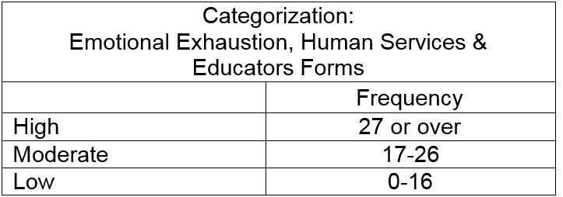
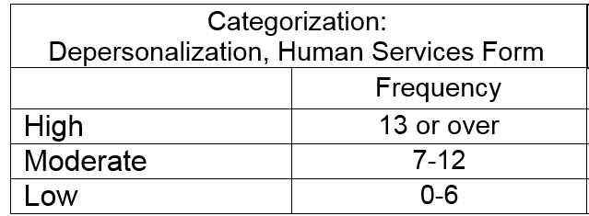
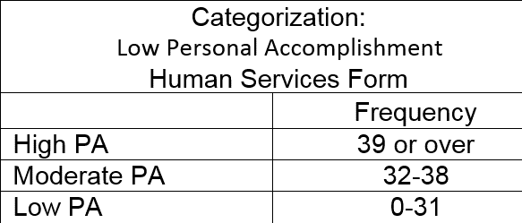
Scoring
Emotional Exhaustion | Depersonalization | Personal Accomplishment
0 | 0 | 0

